Defect Reporting
ID | Title | Reproduce Steps | Attachment | Affected Devices | Network | Severity | Priority
1 | No result is displayed when search to add favorite team and select specific one | 1- Open the application 2- Click on "فرقك" tab from the menu bar at the bottom of the page 3- Click on "+" add button 4- Enter "كأس" in search text box 5-Click on "كأس مصر" | 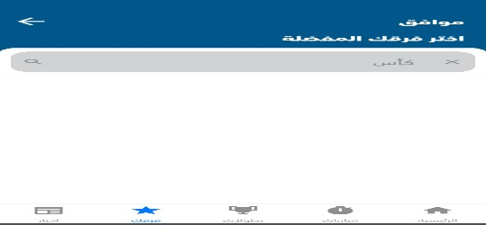 | Moto G(XT1676) | Wifi | Medium | 2
2 | The new details not aopened when select specific news to view details and redirected to the news list | 1- Open the application 2- Click on "مباريات" tab from the menu bar at the bottom of the page 3- Select date "الثلاثاء ،29مارس" 4- Click on result between (السنغال-مصر) 5- click on "الجدول الكامل" 6- Click on tab "الأخبار" 8- Open link "الطريق للمونديال- زكي عبدالفتاح ليلا" | 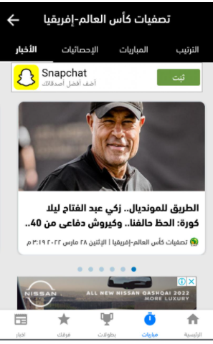 | Moto G(XT1676) | Wifi | High | 1
3 | When click on finshed match from my teams the word of "انتهت "written as "انتمت" | 1- Open the application 2- Click on "فرقك" tab from the menu bar at the bottom of the page 3- Click on "برشلونه-ريال مدريد" | 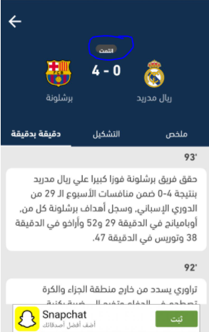 | Moto G(XT1676) | Wifi | Low | 3
4 | When click on "كل الهدافين "OR "كل صانعي الاهداف"The list of all not displayed and the user still exist in the same page of the part of lists | 1- Open the application 2- Click on "فرقك" tab from the menu bar at the bottom of the page 3- Click on "تشيلسي-ريال مدريد" 4-From "ملخص"tab click scroll to the bottom 5-Click on "الجدول الكامل" 6- click on "الاحصائيات" 7- click on "كل الهدافين"/ "كل صانعي الاهداف" | 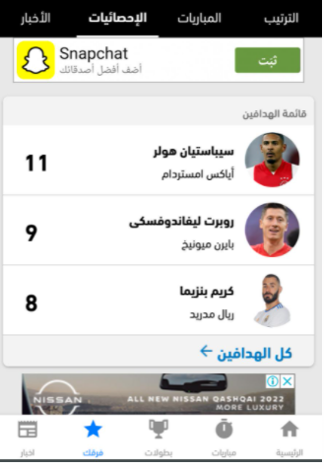 | Moto G(XT1676) | Wifi | Medium | 2
5 | When click on "دقيقه بدقيقه " the sorting of minutes not correct | 1- Open the application 2- Click on "فرقك" tab from the menu bar at the bottom of the page 3- Click on "تريال مدريد-برشلونه" 4-Click on"دقيقه بدقيقه" | 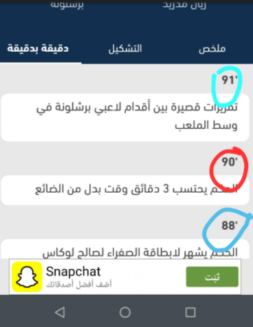 | Moto G(XT1676) | Wifi | Low | 3
6 | After Clicking on ""دقيقه بدقيقه" App crached | 1- Open the application 2- Click on "فرقك" tab from the menu bar at the bottom of the page 3- Click on "تريال مدريد-برشلونه" 4-Click on"دقيقه بدقيقه" | 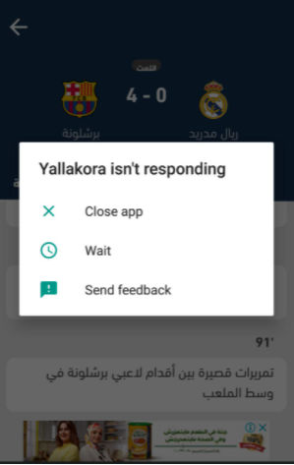 | Moto G(XT1676) | Wifi | High | 1
7 | When click on "لافيننا اف سي" from the tab of "مباريات" display no internet connection | 1- Open the application 2- Click on "مباريا" tab from the menu bar at the bottom of the page 3- Click on "كاس مصر" 4-Click on"لافيننا اف سي" | 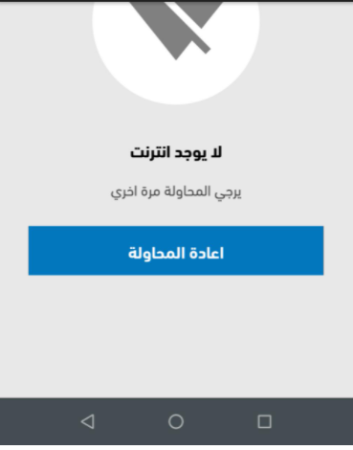 | Moto G(XT1676) | Wifi | High | 1

